Sheet1
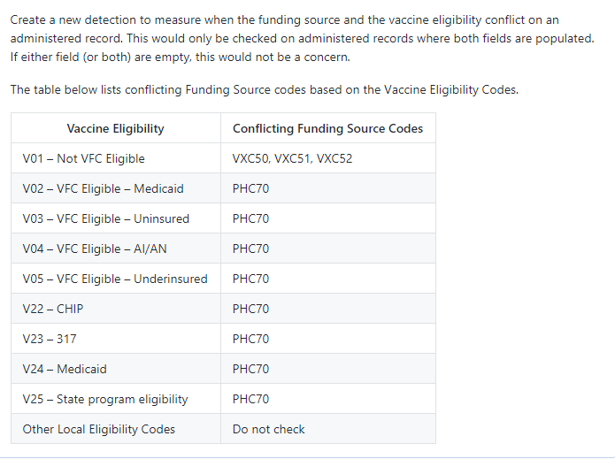
 |  |  |  |  |  |  |  |  |  |  | VXC1 | PHC68 | OTH | PHC70 | VXC2 | VXC3 | VXC50 | VXC51 | VXC52 | UNK
 | VXC1 | PHC68 | OTH | PHC70 | VXC2 | VXC3 | VXC50 | VXC51 | VXC52 | UNK | <reference> | <reference> | <reference> | <reference> | <reference> | <reference> | <reference> | <reference> | <reference> | <reference>
V01 |  |  |  |  |  |  | X | X | X |  | <link-to codeset="FINANCIAL_STATUS_CODE">V01</link-to> | <link-to codeset="FINANCIAL_STATUS_CODE">V01</link-to> | <link-to codeset="FINANCIAL_STATUS_CODE">V01</link-to> | <link-to codeset="FINANCIAL_STATUS_CODE">V01</link-to> | <link-to codeset="FINANCIAL_STATUS_CODE">V01</link-to> | <link-to codeset="FINANCIAL_STATUS_CODE">V01</link-to> |  |  |  | <link-to codeset="FINANCIAL_STATUS_CODE">V01</link-to>
V02 |  |  |  | X |  |  |  |  |  |  | <link-to codeset="FINANCIAL_STATUS_CODE">V02</link-to> | <link-to codeset="FINANCIAL_STATUS_CODE">V02</link-to> | <link-to codeset="FINANCIAL_STATUS_CODE">V02</link-to> |  | <link-to codeset="FINANCIAL_STATUS_CODE">V02</link-to> | <link-to codeset="FINANCIAL_STATUS_CODE">V02</link-to> | <link-to codeset="FINANCIAL_STATUS_CODE">V02</link-to> | <link-to codeset="FINANCIAL_STATUS_CODE">V02</link-to> | <link-to codeset="FINANCIAL_STATUS_CODE">V02</link-to> | <link-to codeset="FINANCIAL_STATUS_CODE">V02</link-to>
V03 |  |  |  | X |  |  |  |  |  |  | <link-to codeset="FINANCIAL_STATUS_CODE">V03</link-to> | <link-to codeset="FINANCIAL_STATUS_CODE">V03</link-to> | <link-to codeset="FINANCIAL_STATUS_CODE">V03</link-to> |  | <link-to codeset="FINANCIAL_STATUS_CODE">V03</link-to> | <link-to codeset="FINANCIAL_STATUS_CODE">V03</link-to> | <link-to codeset="FINANCIAL_STATUS_CODE">V03</link-to> | <link-to codeset="FINANCIAL_STATUS_CODE">V03</link-to> | <link-to codeset="FINANCIAL_STATUS_CODE">V03</link-to> | <link-to codeset="FINANCIAL_STATUS_CODE">V03</link-to>
V04 |  |  |  | X |  |  |  |  |  |  | <link-to codeset="FINANCIAL_STATUS_CODE">V04</link-to> | <link-to codeset="FINANCIAL_STATUS_CODE">V04</link-to> | <link-to codeset="FINANCIAL_STATUS_CODE">V04</link-to> |  | <link-to codeset="FINANCIAL_STATUS_CODE">V04</link-to> | <link-to codeset="FINANCIAL_STATUS_CODE">V04</link-to> | <link-to codeset="FINANCIAL_STATUS_CODE">V04</link-to> | <link-to codeset="FINANCIAL_STATUS_CODE">V04</link-to> | <link-to codeset="FINANCIAL_STATUS_CODE">V04</link-to> | <link-to codeset="FINANCIAL_STATUS_CODE">V04</link-to>
V05 |  |  |  | X |  |  |  |  |  |  | <link-to codeset="FINANCIAL_STATUS_CODE">V05</link-to> | <link-to codeset="FINANCIAL_STATUS_CODE">V05</link-to> | <link-to codeset="FINANCIAL_STATUS_CODE">V05</link-to> |  | <link-to codeset="FINANCIAL_STATUS_CODE">V05</link-to> | <link-to codeset="FINANCIAL_STATUS_CODE">V05</link-to> | <link-to codeset="FINANCIAL_STATUS_CODE">V05</link-to> | <link-to codeset="FINANCIAL_STATUS_CODE">V05</link-to> | <link-to codeset="FINANCIAL_STATUS_CODE">V05</link-to> | <link-to codeset="FINANCIAL_STATUS_CODE">V05</link-to>
V22 |  |  |  | X |  |  |  |  |  |  | <link-to codeset="FINANCIAL_STATUS_CODE">V22</link-to> | <link-to codeset="FINANCIAL_STATUS_CODE">V22</link-to> | <link-to codeset="FINANCIAL_STATUS_CODE">V22</link-to> |  | <link-to codeset="FINANCIAL_STATUS_CODE">V22</link-to> | <link-to codeset="FINANCIAL_STATUS_CODE">V22</link-to> | <link-to codeset="FINANCIAL_STATUS_CODE">V22</link-to> | <link-to codeset="FINANCIAL_STATUS_CODE">V22</link-to> | <link-to codeset="FINANCIAL_STATUS_CODE">V22</link-to> | <link-to codeset="FINANCIAL_STATUS_CODE">V22</link-to>
V23 |  |  |  | X |  |  |  |  |  |  | <link-to codeset="FINANCIAL_STATUS_CODE">V23</link-to> | <link-to codeset="FINANCIAL_STATUS_CODE">V23</link-to> | <link-to codeset="FINANCIAL_STATUS_CODE">V23</link-to> |  | <link-to codeset="FINANCIAL_STATUS_CODE">V23</link-to> | <link-to codeset="FINANCIAL_STATUS_CODE">V23</link-to> | <link-to codeset="FINANCIAL_STATUS_CODE">V23</link-to> | <link-to codeset="FINANCIAL_STATUS_CODE">V23</link-to> | <link-to codeset="FINANCIAL_STATUS_CODE">V23</link-to> | <link-to codeset="FINANCIAL_STATUS_CODE">V23</link-to>
V24 |  |  |  | X |  |  |  |  |  |  | <link-to codeset="FINANCIAL_STATUS_CODE">V24</link-to> | <link-to codeset="FINANCIAL_STATUS_CODE">V24</link-to> | <link-to codeset="FINANCIAL_STATUS_CODE">V24</link-to> |  | <link-to codeset="FINANCIAL_STATUS_CODE">V24</link-to> | <link-to codeset="FINANCIAL_STATUS_CODE">V24</link-to> | <link-to codeset="FINANCIAL_STATUS_CODE">V24</link-to> | <link-to codeset="FINANCIAL_STATUS_CODE">V24</link-to> | <link-to codeset="FINANCIAL_STATUS_CODE">V24</link-to> | <link-to codeset="FINANCIAL_STATUS_CODE">V24</link-to>
V25 |  |  |  | X |  |  |  |  |  |  | <link-to codeset="FINANCIAL_STATUS_CODE">V25</link-to> | <link-to codeset="FINANCIAL_STATUS_CODE">V25</link-to> | <link-to codeset="FINANCIAL_STATUS_CODE">V25</link-to> |  | <link-to codeset="FINANCIAL_STATUS_CODE">V25</link-to> | <link-to codeset="FINANCIAL_STATUS_CODE">V25</link-to> | <link-to codeset="FINANCIAL_STATUS_CODE">V25</link-to> | <link-to codeset="FINANCIAL_STATUS_CODE">V25</link-to> | <link-to codeset="FINANCIAL_STATUS_CODE">V25</link-to> | <link-to codeset="FINANCIAL_STATUS_CODE">V25</link-to>
 |  |  |  |  |  |  |  |  |  |  | </reference> | </reference> | </reference> | </reference> | </reference> | </reference> | </reference> | </reference> | </reference> | </reference>

